Charts
 | Cardiac Surgery | General Medicine
September |  | 127.00
October | 120.00 | 107.83
November | 48.67 | 62.71
December | 15.06 | 23.66
January | 11.17 | 7.90
February | 9.74 | 7.65
March | 10.83 | 7.94
April | 10.01 | 8.67
May | 10.69 | 7.11
June | 15.77 | 8.51
July | 10.00 | 8.25
August | 10.64 | 8.39
September | 9.20 | 6.40
October | 9.98 | 4.59
November | 9.45 | 5.22
December | 7.81 | 3.21
Average of Length Of Stay (Days) | Speciality
Row Labels | Cardiac Surgery | General Medicine | Grand Total
2018 | 20.94 | 29.44 | 28.35
September |  | 127.00 | 127.00
October | 120.00 | 107.83 | 109.57
November | 48.67 | 62.71 | 60.60
December | 15.06 | 23.66 | 22.57
2019 | 10.24 | 7.51 | 7.80
January | 11.17 | 7.90 | 8.27
February | 9.74 | 7.65 | 7.86
March | 10.83 | 7.94 | 8.24
April | 10.01 | 8.67 | 8.80
May | 10.69 | 7.11 | 7.35
June | 15.77 | 8.51 | 8.79
July | 10.00 | 8.25 | 8.40
August | 10.64 | 8.39 | 8.62
September | 9.20 | 6.40 | 6.70
October | 9.98 | 4.59 | 5.23
November | 9.45 | 5.22 | 6.69
December | 7.81 | 3.21 | 4.92
Grand Total | 10.58 | 8.08 | 8.34

 | Cardiac Surgery | General Medicine
Accident and emergency | 16 | 7,066
Booked |  | 5
Direct to Assessment Unit via ambulance | 3 | 161
Emergency - Bed Bureau |  | 1
Emergency - GP | 1 | 1,889
Emergency - OP Clinic | 17 | 111
Hospital Other Provider (Non-emergency) | 271 | 20
Maternity ante-partum |  | 3
Other Emergency Admission | 7 | 16
Other Trust (A&E) | 8 | 1
Other Trust (Ward Emergency Transfer) | 62
Planned | 48 | 24
Waiting list | 661 | 5

Number of admissions | Number of Spells
Admission Method | Cardiac Surgery | General Medicine | Grand Total
Accident and emergency | 16 | 7,066 | 7,082
Booked |  | 5 | 5
Direct to Assessment Unit via ambulance | 3 | 161 | 164
Emergency - Bed Bureau |  | 1 | 1
Emergency - GP | 1 | 1,889 | 1,890
Emergency - OP Clinic | 17 | 111 | 128
Hospital Other Provider (Non-emergency) | 271 | 20 | 291
Maternity ante-partum |  | 3 | 3
Other Emergency Admission | 7 | 16 | 23
Other Trust (A&E) | 8 | 1 | 9
Other Trust (Ward Emergency Transfer) | 62 |  | 62
Planned | 48 | 24 | 72
Waiting list | 661 | 5 | 666
Grand Total | 1,094 | 9,302 | 10,396

SQL
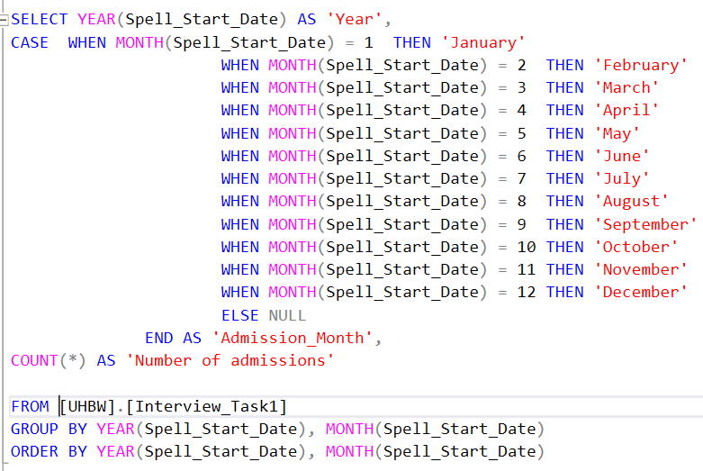
SQL query 1:
Assumption: For this, and all subsequent queries, I have assumed the data is contained in a table called [Interview_Task1] stored in a schema called [UHBW]. If there is more than one database on the server, then each of these queries must first be proceeded by running the command: USE {Name of Database}
Explanation:
Supposing you wished to see which of the two specialities, for each type of Admission Method, had the greatest number of hospital stays longer than one week (or any arbitary number of days). I have used a WHERE statement on the Length of Stay (LoS) column to only count the length of stays greater than seven days - it filters out any length of stays less than this value.
I have used a GROUP BY statement to contain non aggregated parameters. The GROUP BY statement must be used when one or more parameters in the SELECT statement is an aggregate value. The GROUP BY statement groups the result-set by Speciality, then Admission Method. The results are printed out in reverse order (desc) meaning that the Admission Methods with the highest number of stays will be printed out first.
SQL query 4:
Explanation:
I wanted to create a table to compare the Average, Maximum and Number of hospital spells for each Admission Method for each speciality. There is more than one way to achieve the required result, but I chose to use a Pivot Table. (Initially I tried joing two WITH CTEs and OVER (PARTITION BY [Admission_Method]) but since the [Admission_Method] is not identical for both Cardiac Surgery and General Medicine, I wanted an easier, clearer to understand code).
First 3 temporary tables are created and the pivoted values for Average LoS, Maximum LoS and Number of LoS for both specialities were stored in different tables. Unfortunately T-SQL does not permit more than one aggregated quantity in a PIVOT - hence 3 separate temporary tables which are then joined together in the final query. I have used the 'Round' command to ensure that the average values are only printed out to two decimal places.
Although this method may look a little cumbersome, it acheives the required result and overcomes the issue when there are different Admission_Methods for Cardiac Surgery and General Medicine.

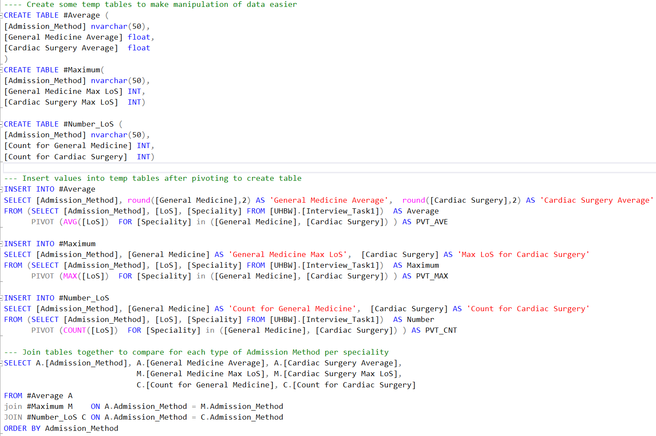

SQL query 2:
Explanation:
This query is very similar to the first, except I have used a 'HAVING' clause instead of 'WHERE' to filter out cases when the 'Average' Length of Stay [LoS] is less than a week. Because I'm using an aggregate quantity (AVG([LoS]) rather than the actual quantity itself [LoS] then I must use HAVING instead of WHERE.

SQL query 3:
Explanation:
This query is to check whether there is any variation with month (season) on the number of admissions for each year. I use a case statement to convert the numerical month (extracted from the start date) into the actual name of the month (to make the output more user-friendly). As per previous queries, quantities that are not aggregated, must be contained in the GROUP BY statement at the end.

